Dewax_Rehydrate H&E Layout
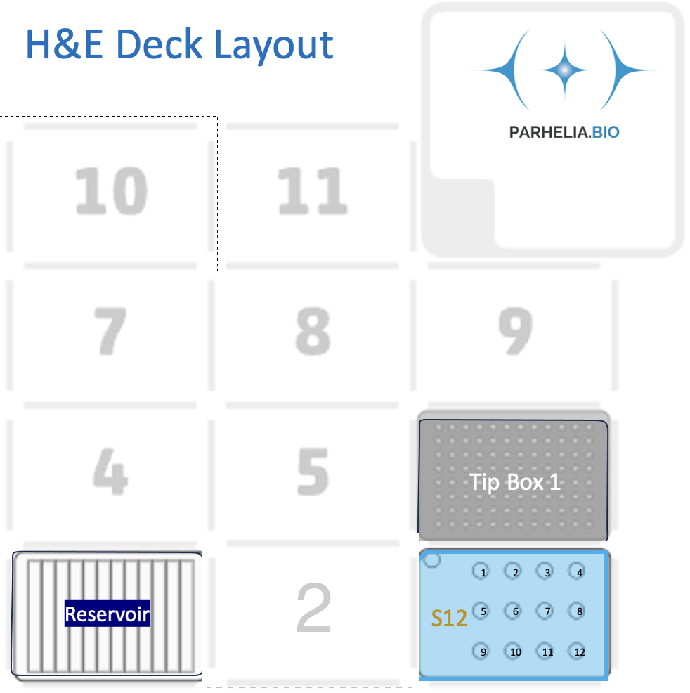
These values are from StainWorks now, and match the generated protocol.
Omni-Stainer module type |  |  | 10
Num samples: |  |  | No
Dewax |  |  | Yes
Rehydration |  |  | No
Clarifying |  |  | 150
wash_volume [μL] |  |  | 150

[Labware Type] | [Deck Position]

Omni-Stainer S12 Staining Module | 2 | Assemble Flow Cells in 100% EtOH
 | 1 | 2 | 3 | 4
A
B
C

Tiprack | 6 | 300/200 μL Tip rack #1

Buffer plate | 3 | 12-trough, sealed with a pierceable sealing sheet
 | 1 | 2 | 3 | 4 | 5 | 6 | 7 | 8 | 9 | 10 | 11 | 12
A |  | 100% EtOH | 95% EtOH | 70% EtOH | Water | Hematoxylin | Blueing reagent |  |  |  | Eosin
Volume / well (ml)
Volume/Sample | 300 | 1050 | 450 | 300 | 1200 | 300 | 150 | 150 | 0 | 0 | 300 | 0

